Sheet1
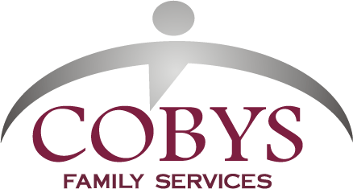
COBYS Bike & Hike Sponsor Sheet
Type your full name(s) here |  | Type your full address here |  |  | Phone # here |  | E-mail address here
Type which event or events you are participating in here: Walk Bicycle or Motorcycle
It’s easy! Just line up your sponsors, fill in the sponsor sheet, and we’ll take care of the rest. You do not have to collect your pledges, unless you want to. Submit your sponsor sheet and any money you choose to collect at registration. Those who donate $20 or more will receive an acknowledgment for their tax records. We honor requests from sponsors not to add them to our mailing list. Please make checks payable to COBYS Family Services. It really helps when you take the time to provide complete address information. Thank you!

Sponsors | First Name(s) | Last Name | Street Address | City | State | Zip | Phone # | Pledged | Check / Cash | Paid
Sample | Ima | Walker | 123 Memory Lane | Lititz | PA | 17543 | 555-5555 | $1,000.00 |  | $0.00
 | Sponsor Mark Cunningham, Executive Director of COBYS, walking or running 40 miles the week prior to Sept. 13
1
2
3
4
5
6
7
8
9
10
11
12
13
14
15
16
17
18
19
20
21
22
23
24
25
 | Save this sheet on your computer for next year so you don't have to re-enter all the information! |  |  |  |  |  | Totals | $0.00 |  | $0.00

